FAI182
 |  |  | PART NUMBER
 |  |  | FAI182

 |  |  |  | 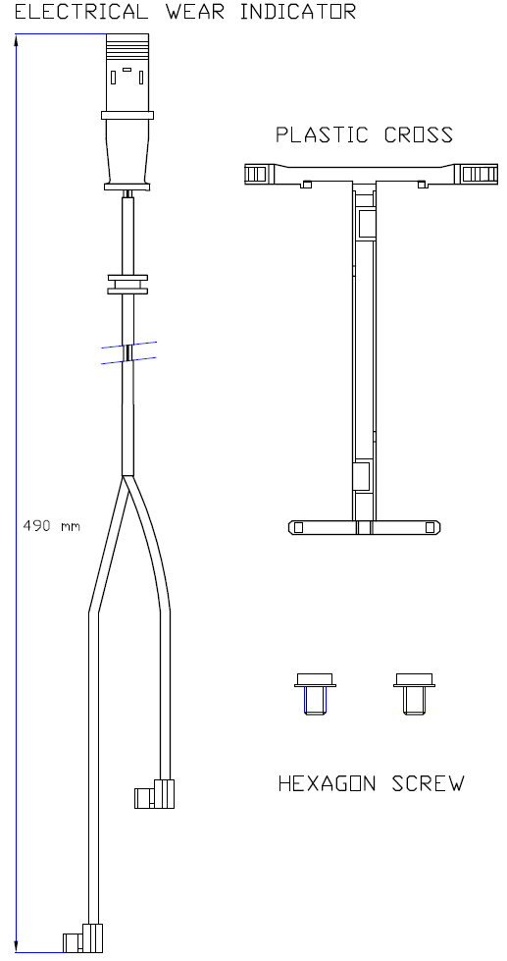

DESCRIPTION |  | CV Wear Indicator Kit
WVA |  | 29213
LENGTH [mm] |  | 490
WIDTH [mm] |  | Not applicable
THICKNESS [mm] |  | Not applicable
SENSOR MATERIAL |  | Vespel SP1

BRAKE SYSTEM |  | Knorr SN6

EAN-13 BARCODE |  | 4044197917884
WEIGHT [kg] |  | 0.03
BOX DIMENSIONS [cm] |  | 15x24
W.I. kit composition |  | as illustrated
ECE R90 APPROVAL |  | Not applicable

COMMENTS

NOTES |  | Wear Indicator kit in combination with Ferodo CV brake pad FCV4726B

X-REFERENCE (OES) |  |  |  | X-REFERENCE (COMPETITOR)
MAN | 81.50822-635

APPLICATIONS |  |  |  |  | FRONT | REAR | TRAILER
MAN TG1 13T ALLRAD

#REF!
#REF!

