573607J
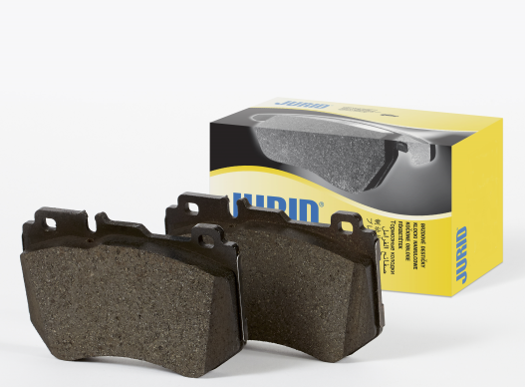
 |  |  | PART NUMBER
 |  |  | 573607J

 |  |  |  | 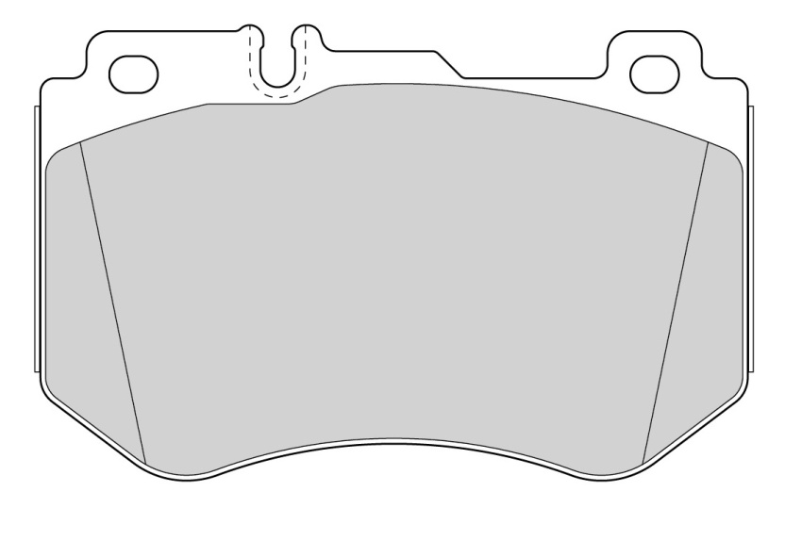

WVA |  | 25997
LENGTH [mm] |  | 129
WIDTH [mm] |  | 84
THICKNESS [mm] |  | 19
FMSI |  | N/A

BRAKE SYSTEM |  | BRE
EAN-13 BARCODE |  | 3306437248655
WEIGHT [kg] |  | 2.50
BOX DIMENSIONS [mm] |  | 100X80X160
ECE R90 APPROVAL |  | E11 90R-02A0954/23284

COMMENTS

NOTES |  | Prepared for wear indicator

X-REFERENCE (OES) |  |  |  | X-REFERENCE (COMPETITOR)
Mercedes | 0084201720 |  |  | FERODO | FDB4607
 |  |  |  | NECTO | FD7606A
 |  |  |  | TRW | GDB2078
 |  |  |  | ICER | 182197
 |  |  |  | DELPHI | LP3137
 |  |  |  | APEC | PAD2024

APPLICATIONS |  |  |  |  |  | FRONT | REAR
Mercedes C-Class (W205) all models 16" wheels 12/13->
Mercedes C-Class T-model (S205) all models 16" wheels 09/14->
Mercedes C-Class (C205) all models 16" wheels 10/15->

Jurid Management Release
#REF!

573608J
 |  |  | PART NUMBER
 |  |  | 573608J

 |  |  |  | 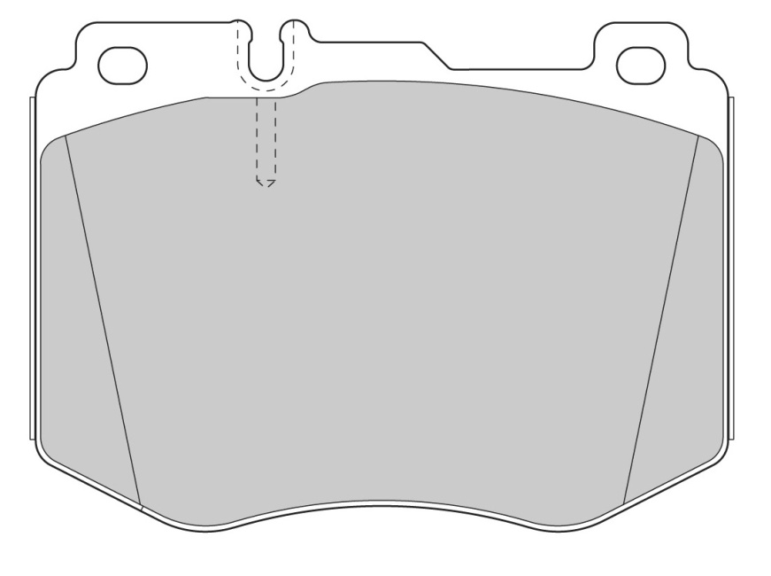

WVA |  | 22061
LENGTH [mm] |  | 127
WIDTH [mm] |  | 95
THICKNESS [mm] |  | 19
FMSI |  | N/A

BRAKE SYSTEM |  | BRE
EAN-13 BARCODE |  | 3306437248662
WEIGHT [kg] |  | 2.80
BOX DIMENSIONS [mm] |  | 100X80X160
ECE R90 APPROVAL |  | E11 90R-02A0954/23285

COMMENTS

NOTES |  | Prepared for wear indicator

X-REFERENCE (OES) |  |  |  | X-REFERENCE (COMPETITOR)
MERCEDES | 0084201920/0084201820 |  |  | FERODO | FDB4608
 |  |  |  | NECTO | FD7605A
 |  |  |  | TRW | GDB2081
 |  |  |  | APEC | PAD2035
 |  |  |  | ICER | 182195

APPLICATIONS |  |  |  |  |  | FRONT | REAR
Mercedes C-Class (W205) all models 17" wheels 2014->
Mercedes C-Class T-model (S205) all models 17" wheels 09/14->
Mercedes C-Class (C205) all models 17" wheels 10/15->
Mercedes GLC-Series all models 06/15->

Jurid Management Release
#REF!

